エビデンス
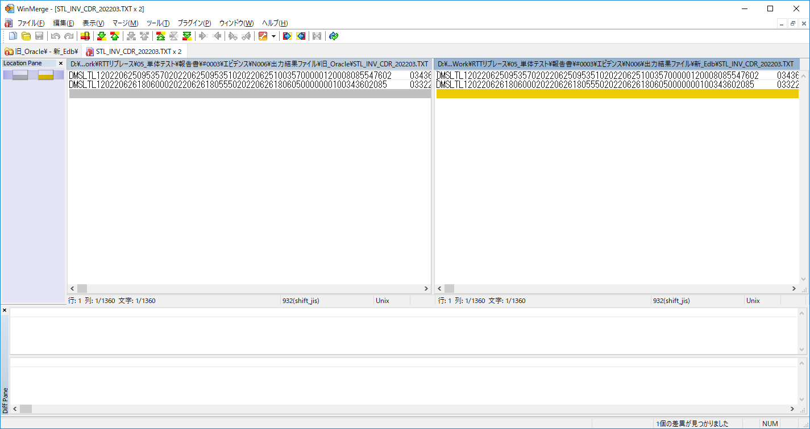
テスト実行前
 | テストデータはシート「テストデータ」を参照する。

テスト実行後
 | 「No.16」の確認
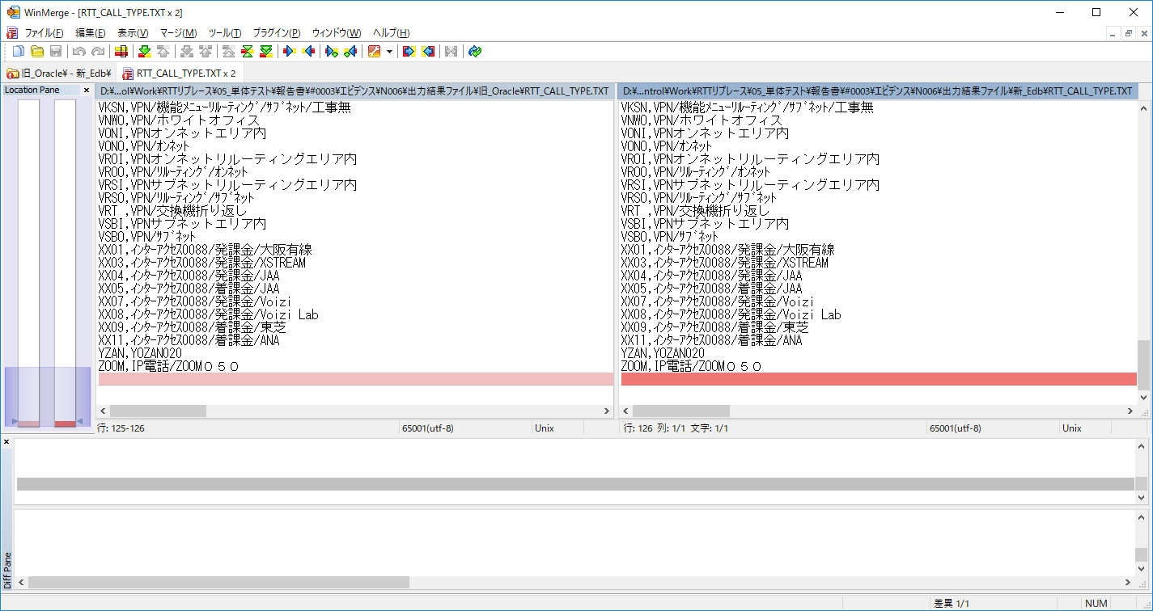

ソート+スペース除去にして比較し、両方のデータが一致です。

 | 「No.17」の確認
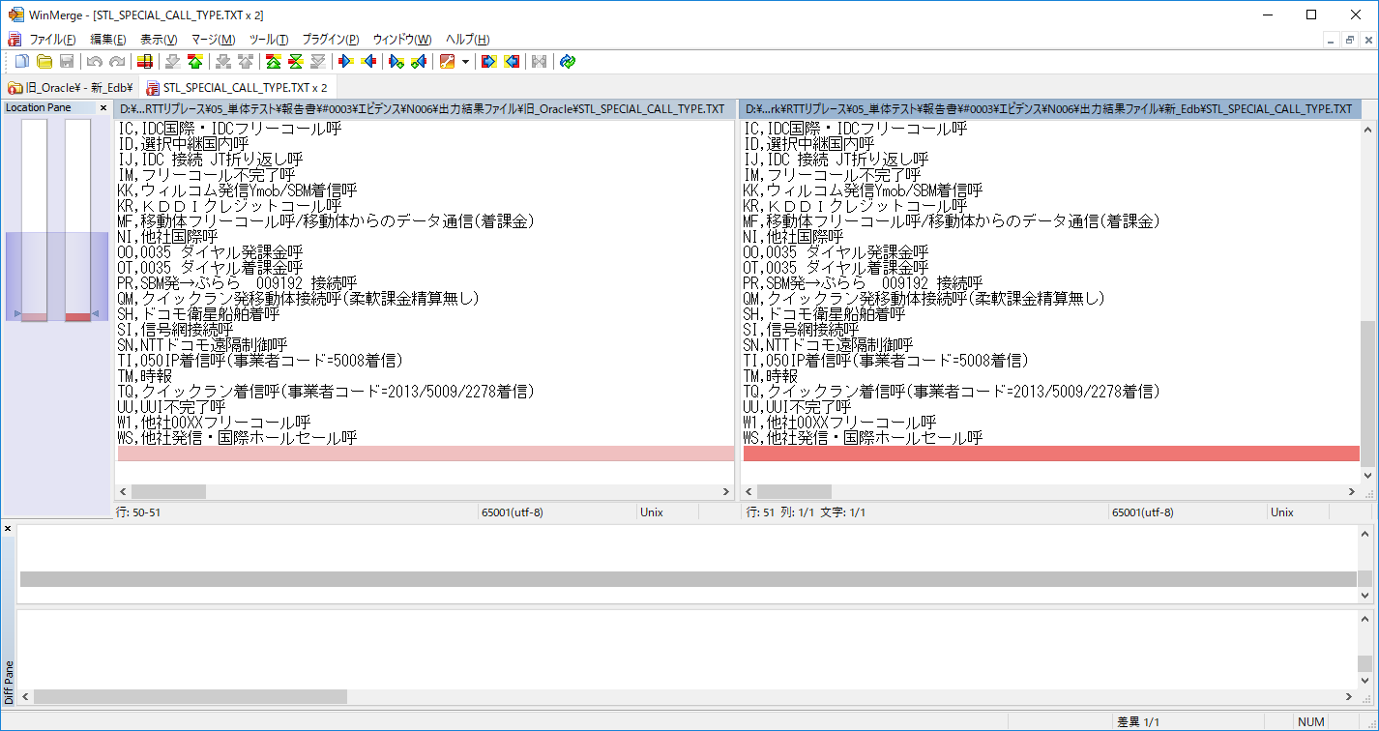

 | 「No.18」の確認
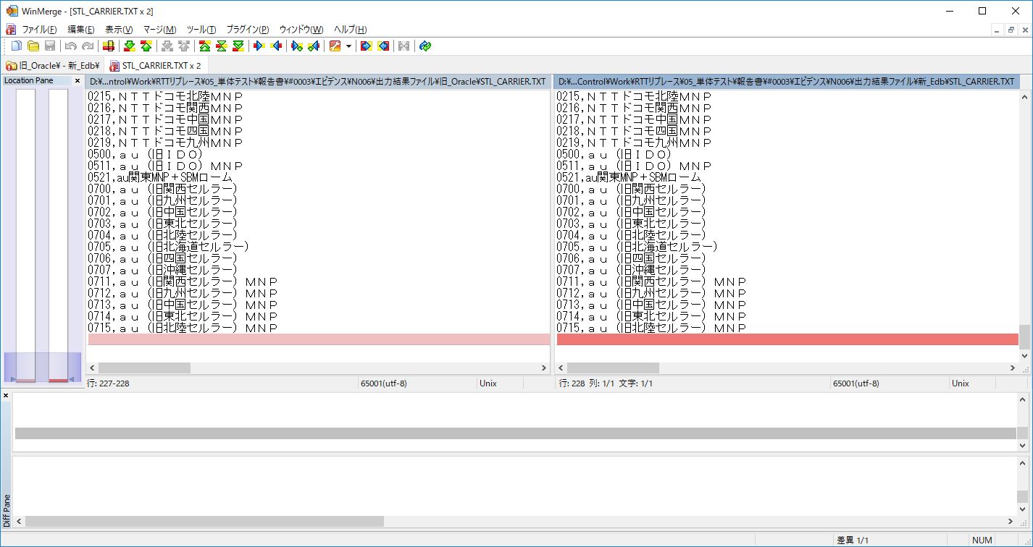

 | 「No.19」の確認

